Mortgage
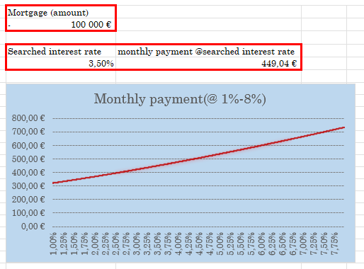
Bonus task: program the mortgage calculator (3 pts)

